logged activites flow
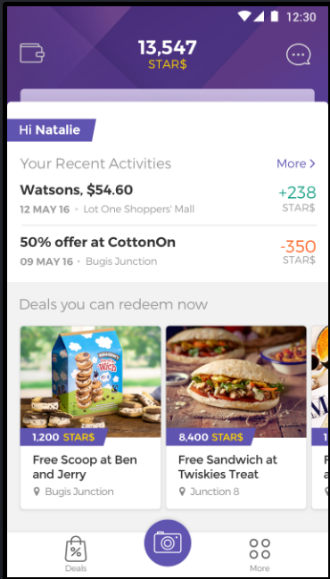
2
3
2
 | No. | Name | Value | NOTES:
 | 1 | screenName | Home | track total and unique screenviews per session
 | 2 | action name | ButtonClick WalletButton | What action/value pair should we set for our "pull down" action to get to Wallet screen?
 | 3 | action name | ButtonClick ChatbotButton
 | 4 | action name | ButtonClick? ScanReceipt? ScanReceiptButton
5
 | 5 | action name value | ButtonClick? Event? DealsButton <DealId>,<ReceiptId>, <MallId>
 | 6 | action name | ButtonClick DealsButton
 | 7 | action name | ButtonClick MoreButton
4
6
7

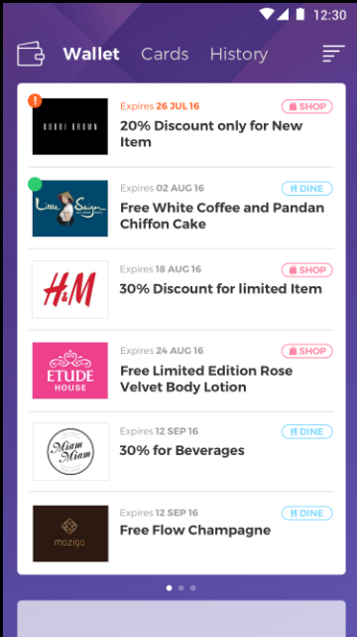
2
3
4
 | No. | Name | Value
 | 1 | screenName | Wallet
 | 2 | action name | ButtonClick WalletCardsButton
5
 | 3 | action name | ButtonClick WalletHistoryButton
 | 4 | action name | ButtonClick WalletFilterButton
 | 5 | action name value | ButtonClick? Event? Redempt? DealItemButton? RedemptButton? <DealId>,<ReceiptId>, <MallId> | please clarify the data logged for this click
 | 6 | action name | ButtonClick HomeButton | What action/value pair should we set for our "pull up" action to get to Home screen?

6

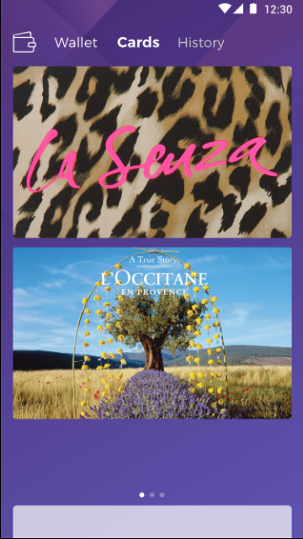
2
3
 | No. | Name | Value
 | 1 | screenName | WalletCards
 | 2 | action name | ButtonClick WalletButton
 | 3 | action name | ButtonClick WalletHistoryButton
 | 6 | action name | ButtonClick HomeButton

6

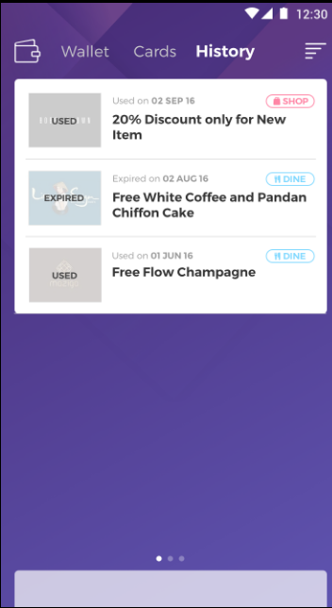
2
3
4
 | No. | Name | Value
 | 1 | screenName | WalletHistory
 | 2 | action name | ButtonClick WalletButton
5
 | 3 | action name | ButtonClick WalletCardsButton
 | 4 | action name | ButtonClick WalletHistoryFilterButton
 | 5 | action name value | ButtonClick? Event? Redempt? DealItemButton? RedemptButton? <DealId>,<ReceiptId>, <MallId> | please clarify the data logged for this click
 | 6 | action name | ButtonClick HomeButton

6

 | No. | Name | Value
 | 1 | screenName | ScanReceiptScreen
 | 2 | action name | ButtonClick? ScanReceipt? ScanReceiptButton | Please clarify if the action is classified as a ButtonClick or ScanReceipt and should the name be something like ScanReceiptButton

2
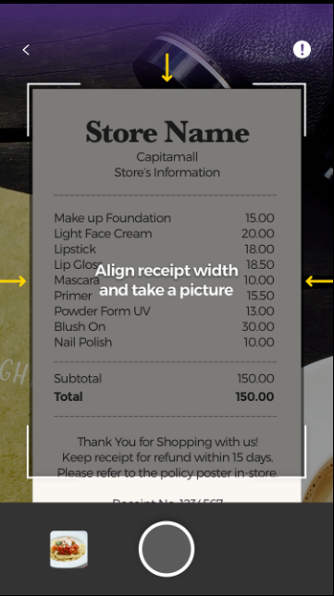 |  |  |  | Last Notes: Please clarify what are the use cases for some of the parameters defined in "ScreenView & Event" tab. For example: Difference between ScreenView (one of the values for "name")and screenName

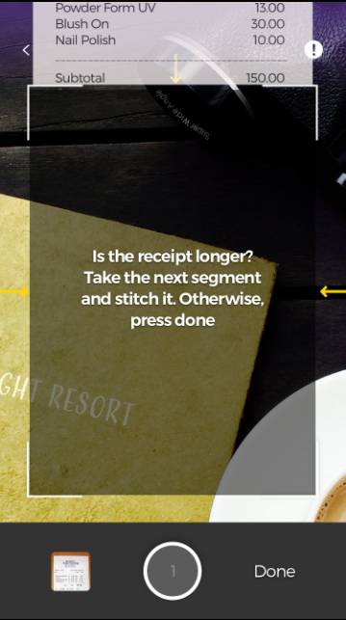
 | No. | Name | Value
 | 1 | screenName | ScanReceiptScreen2
 | 2 | action name | ButtonClick? UploadReceipt? UploadReceiptButton | action clarification again

2

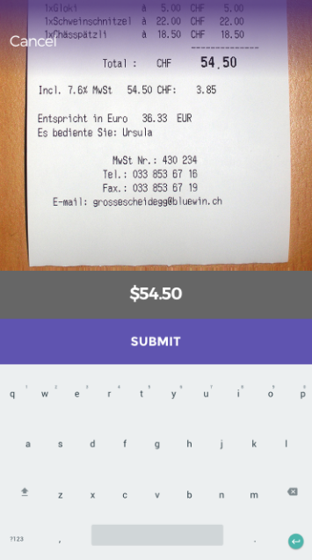
3
 | No. | Name | Value
 | 1 | screenName | ScanReceiptScreen3
 | 2 | action name | ButtonClick ReceiptSubmitButton
 | 3 | action name | ButtonClick ReceiptCancelButton

2

